Read
Econ Model Tab
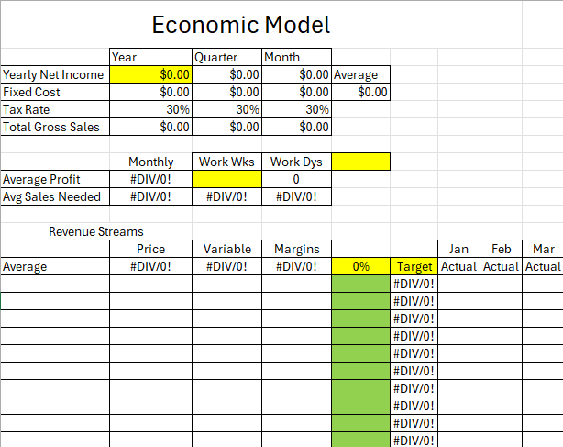
This is the amount of income you want to make from the business

This information comes from the Fixed Expenses tab.

This is for the amount of weeks you plan to be open a year and number of days you are working a week.

Input the percentage of each revenue stream to equal total of 100%.

This information will come from the Revenue Streams tab.

Fixed Expenses Tab

Expenses you pay monthly. You can add the actual info under each month.

Expenses you pay once a year.

Name of revenue stream.
Revenue Streams Tab
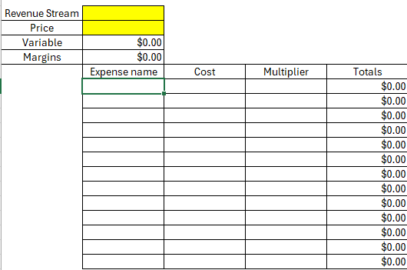
Price.

Expenses it take to make the revenue stream

